Test Summary
Summary of Tests %
 | Time Spent | Summary of Tests | Included for Testing | Number of Tests | Tests Passed | Tests Failed | Tests Not Applicable | Total | Coverage of testing
 | Hours |  | YES/NO |  |  |  |  |  | %
1 |  | Question Set | NO | 0 | 0 | 0 | 0 | 0 | #DIV/0!
2 |  | Business Rules | NO | 0 | 0 | 0 | 0 | 0 | #DIV/0!
3 |  | Features | YES | 9 | 9 | 0 | 0 | 0 | 0.00
4 |  | Images and Copy | YES | 24 | 24 | 0 | 0 | 24 | 100.00
5 |  | Mandatory Tags | NO | 0 | 0 | 0 | 0 | 0 | #DIV/0!
6 |  | Known Issues | NO | 0 | 0 | 0 | 0 | 0 | #DIV/0!
7 |  | Outbounding | NO | 0 | 0 | 0 | 0 | 0 | #DIV/0!
8 |  | Comparison Tests | NO | 0 | 0 | 0 | 0 | 0 | #DIV/0!
9 |  | Claims | NO | 0 | 0 | 0 | 0 | 0 | #DIV/0!
10 |  | Deeplink | NO | 0 | 0 | 0 | 0 | 0 | #DIV/0!
11 |  | Inbound Test | YES | 10 | 10 | 0 | 0 | 10 | 100.00
12 |  | Completed Tests |  | 43 | 43 |  |  | 43 | 100.00
13 |  | Incomplete Tests |  |  |  |  |  | 0 | 0.00
14 |  | Failed Tests |  |  |  | 0 |  | 0 | 0.00
15 |  | Not Applicable |  |  |  |  | 0 | 0 | 0.00

 |  |  | Number of CCRs | Open CCRs | Fixed CCRs | Failed CCRs | Rejected CCRs | Closed CCRs | Total
 |  | CCRs
 |  |  | Number of defects | Open defects | Fixed Defects | Failed Retests | Rejected Defects | Closed Defects | Total
 |  | Defect Log

 |  |  | Testing hours | Defects Hours | Planning Hours
 |  | Estimated Time |  |  | 7.5
 |  | Actual Time | 0

7.Inbound Test
Inbound Test
 | QTP Created | Name | Email | Date of Birth | Policy Start Date | Pass | Fail | Not Applicable
1 |  | Michelle | gary.gwynn@budgetins.co.uk | 1950-03-27 |  | Pass
2 |  | Gary | gary.gwynn@budgetins.co.uk | 1951-03-27 |  | Pass
3 |  | Kieran | gary.gwynn@budgetins.co.uk | 1952-03-27 |  | Pass |  |  | 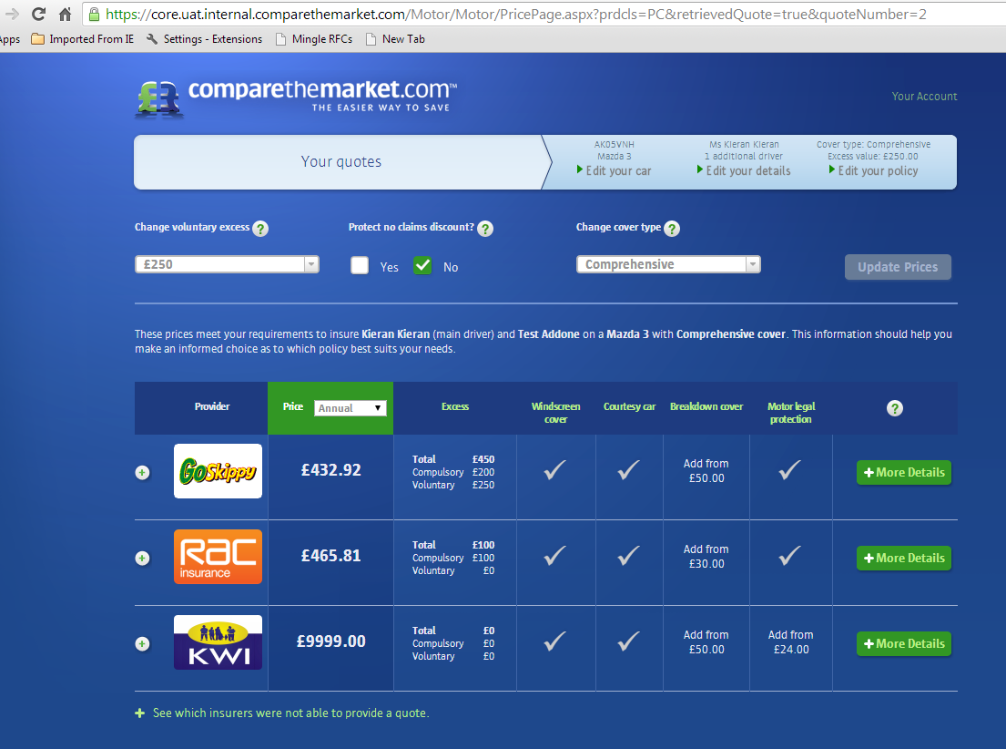
4 |  | Mary | gary.gwynn@budgetins.co.uk | 1953-03-27 |  | Pass
5 |  | Mark | gary.gwynn@budgetins.co.uk | 1954-03-27 |  | Pass
6 |  | Richard | gary.gwynn@budgetins.co.uk | 1955-03-27 |  | Pass
7 |  | Stuart | gary.gwynn@budgetins.co.uk | 1956-03-27 |  | Pass
8 |  | Rosanna | gary.gwynn@budgetins.co.uk | 1957-03-27 |  | Pass
9 |  | Raja | gary.gwynn@budgetins.co.uk | 1958-03-27 |  | Pass
10 |  | Thula | gary.gwynn@budgetins.co.uk | 1959-03-27 |  | Pass
 |  |  |  |  | Total | 10 | 0 | 0

